Instructions
 |  | B2B semantic format

File structure overview

This document is structured into several tabs: - The "tab Version " which allows you to consult the changes for each version delivered - The "tab Instructions "- L the dedicated tabs in different semantic formats (UBL / CII / Factur X FR CII D16B Extended) Each format includes the structure of flow 1 (Invoicing data for tax administration) and flow 2 (Complete invoice)

 | “ID” column : indicates the identifier of a field allowing it to be uniquely identified in order to follow its developments. The ID should not be changed.

 | “Cardinality” column : indicates the possible number of relationships between two elements of a data model. Its value can be single (1) or multiple (*).

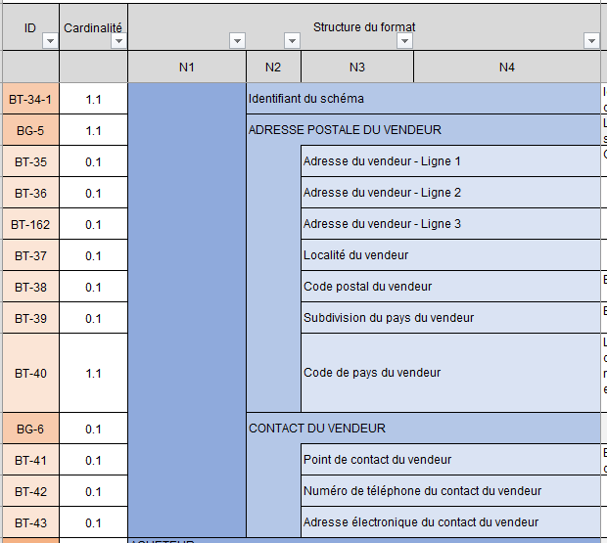
 | “Format structure” columns present the tree structure of the semantic format.
 | The data is grouped into blocks, which can themselves be grouped into blocks: the whole constitutes the semantic format.

 |  |  | For example, the consultation format is made up of six blocks, containing data or sub-blocks of data, up to four tree levels. The blocks grouping the data are identified by an ID in the form BG (Business Group) while the data are identified by an ID in the form BT (Business Term).

 | “Standard Path” columns : indicate the path of the data standard

 | “Logical type” and “Length” columns : indicate the characteristics of each data. List of logical type values: Boolean, Date, identifier, list, number, text etc.

 | “List of values & nomenclatures” column indicates in the case of “list” type data all possible values. The values are detailed in the tab Appendix 7 - Management rules . In certain cases, a management rule can restrict the values

 | “Management rule to respect” column : indicates the rule(s) for each data.

 | “Business definition” column : indicates the business definition of each data.

 | “EN16931 usage note” column: Indicates usage in the standard

 | Column (Only for flow 2 formats): “EDI PPF generic rules” & “EDI PPF syntax rules” : these are the specific management rules. Each management rule is codified and detailed in the Appendix 7 - Management rules .

 | Column (Uniquemet for flow 1 formats): “EDI PPF generic rules” & “EDI PPF syntax rules” : these are the specific management rules. Each management rule is codified and detailed in the Appendix 7 - Management rules. Codification of management rules: - G: Rules applied for all flow formats - S: Syntactic rules - P: Recommendation rule, i.e. good practices to be respected but which do not lead, if they are not, upon rejection of the flow

 | Column (Only for stream 2 formats): “Rules of the EN16931 standard” : these are the management rules specific to the standard. Each management rule is codified and detailed in the Appendix 7 - Management rules.

 | Column (Only for stream 1 formats): “Rules of the EN16931 standard " : these are the management rules specific to the standard. Each management rule is codified and detailed in the Appendix 7 - Management rules.

 | Column (Only for factur-X formats) Flow 2: “Profiles " identification for each of the data of the associated Factur-x profile type.

 | Column (Only for factur-X formats) Flow 1: "Profiles " : identification for each of the data of the associated Factur-x profile type.

 | Column (Only for stream 2 formats): “Stream 1 data” : identification of the mandatory fields in flow 1, and which can be found directly in the tabs concerning flow 1, in relation to all the possible fields for flow 2.This column is only present on the "FE - Flux 2 - UBL" tab, but concerns all formats (UBL, CII and Factur-X).

 | Column (Only for stream 2 formats): “Data from stream 1 OCR” : identification of mandatory fields in flow 1 of an "ocerized" invoice, compared to all possible fields for flow 2. This column is only present on the "FE - Flux 2 - UBL" tab, but concerns all formats (UBL, CII and Factur-X).

